Loan_AccrFeePay_ex1
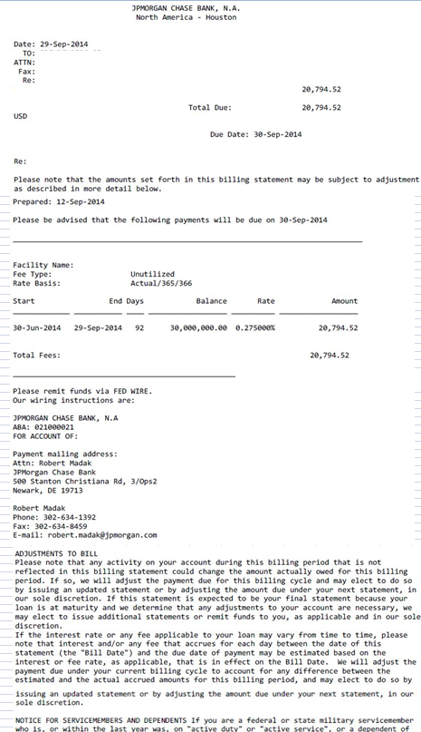

30000000
82500
226.02739726
20794.520548

Loan_AccrFeePay_ex2
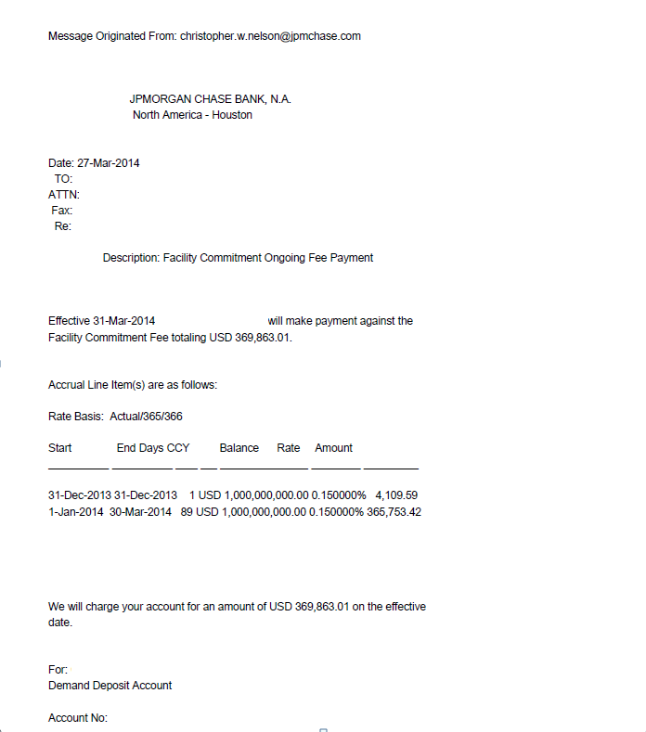

NonRecurringFeePayment-LC
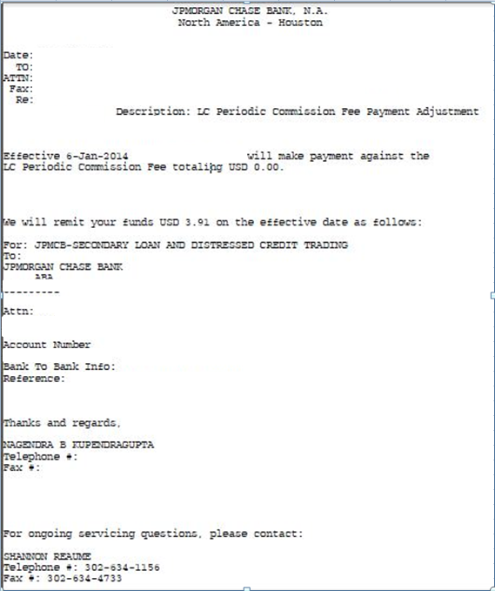

Accruing Admin Fee
